unit sold each month
Row Labels | Sum of Units Sold
Sep | 107,881
Oct | 201,104
Nov | 121,131
Dec | 155,306
Grand Total | 585,422

profit of country and cookie
Sum of Profit | Column Labels
Row Labels | Chocolate Chip | White Chocolate Macadamia Nut | Oatmeal Raisin | Snickerdoodle | Sugar | Fortune Cookie | Grand Total
India | $234,576 | $105,511 | $81,852 | $87,013 | $72,188 | $25,192 | $606,332
Malaysia | $189,846 | $86,255 | $79,509 | $68,060 | $45,726 | $25,403 | $494,799
Philippines | $167,082 | $100,913 | $85,722 | $62,360 | $54,479 | $22,449 | $493,005
Profit by Market and cookie type
United Kingdom | $214,821 | $118,983 | $88,491 | $85,143 | $62,608 | $25,026 | $595,072
United States | $208,404 | $116,223 | $99,316 | $64,548 | $60,377 | $25,290 | $574,158
Grand Total | $1,014,729 | $527,885 | $434,890 | $367,123 | $295,377 | $123,361 | $2,763,364

Dashboard
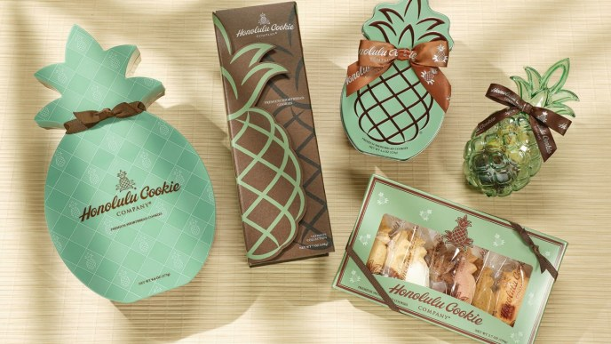 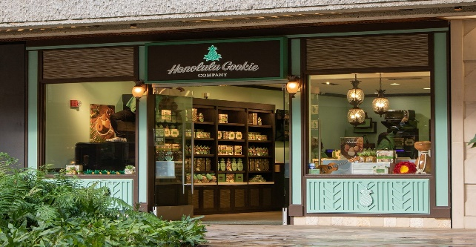 Performance Dashboard

Profit by Market and cookie type
 | Chocolate Chip | White Chocolate Macadamia Nut | Oatmeal Raisin | Snickerdoodle | Sugar | Fortune Cookie
India | $234,576 | $105,511 | $81,852 | $87,013 | $72,188 | $25,192
Malaysia | $189,846 | $86,255 | $79,509 | $68,060 | $45,726 | $25,403
Philippines | $167,082 | $100,913 | $85,722 | $62,360 | $54,479 | $22,449
United Kingdom | $214,821 | $118,983 | $88,491 | $85,143 | $62,608 | $25,026
United States | $208,404 | $116,223 | $99,316 | $64,548 | $60,377 | $25,290
Unit sold each month
 | Total
Sep | 107,881
Oct | 201,104
Nov | 121,131
Dec | 155,306

Profit by month
 | Total
Sep | $265,778
Oct | $484,487
Nov | $289,837
Dec | $384,765

